Mix
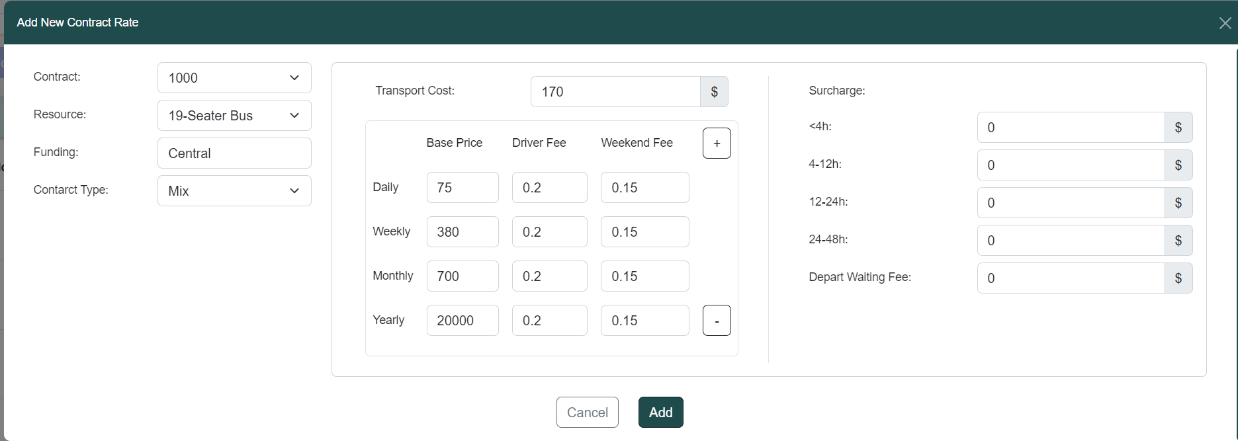

contract_rate

service_mode

 | Calculation | Total
14-11-2022 0900H > 14-06-2024 2100H (578d) | 1*20000 + 7*700 + 0*380 + 75*3 | 25125

DailyTrip
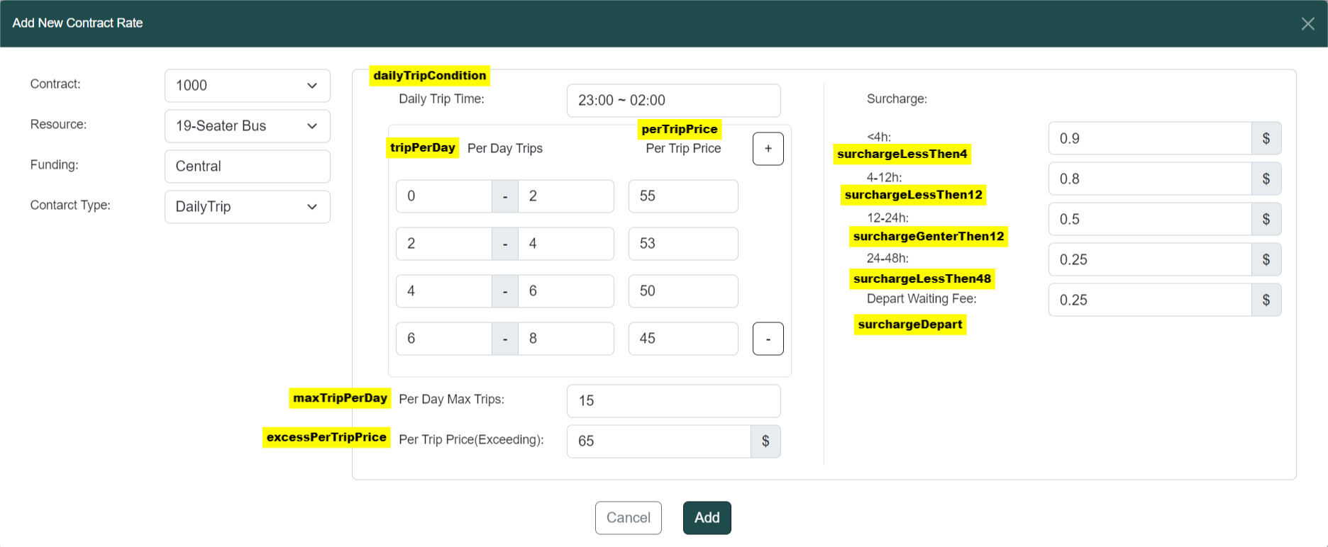

contract_rate

service_mode

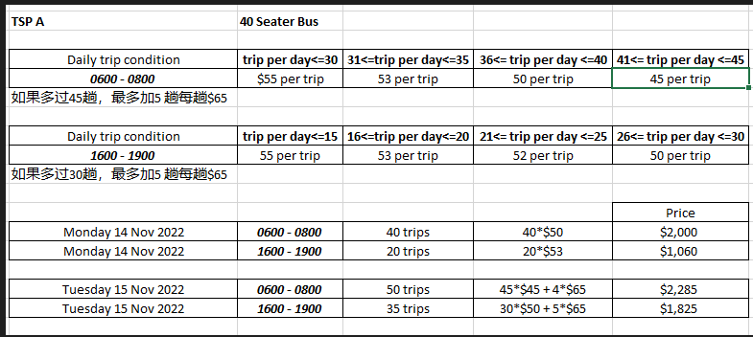
 | trip per day | Calculation | Total
 | 5 | 50*5 | 250
 | 10 | 45*8+2*65 | 490

 | Approve time | Surcharge
 | <4h | total*0.9
 | 4-12h | total*0.8
 | 12-24h | total*0.5
 | 24-48h | total*0.25

 | DepartTime | ExecutionDateTime | Surcharge
 | 2/16/23 | 2/16/23 | total*0.25*((3h-30min)/15min)

Block_Daily(No surcharge)
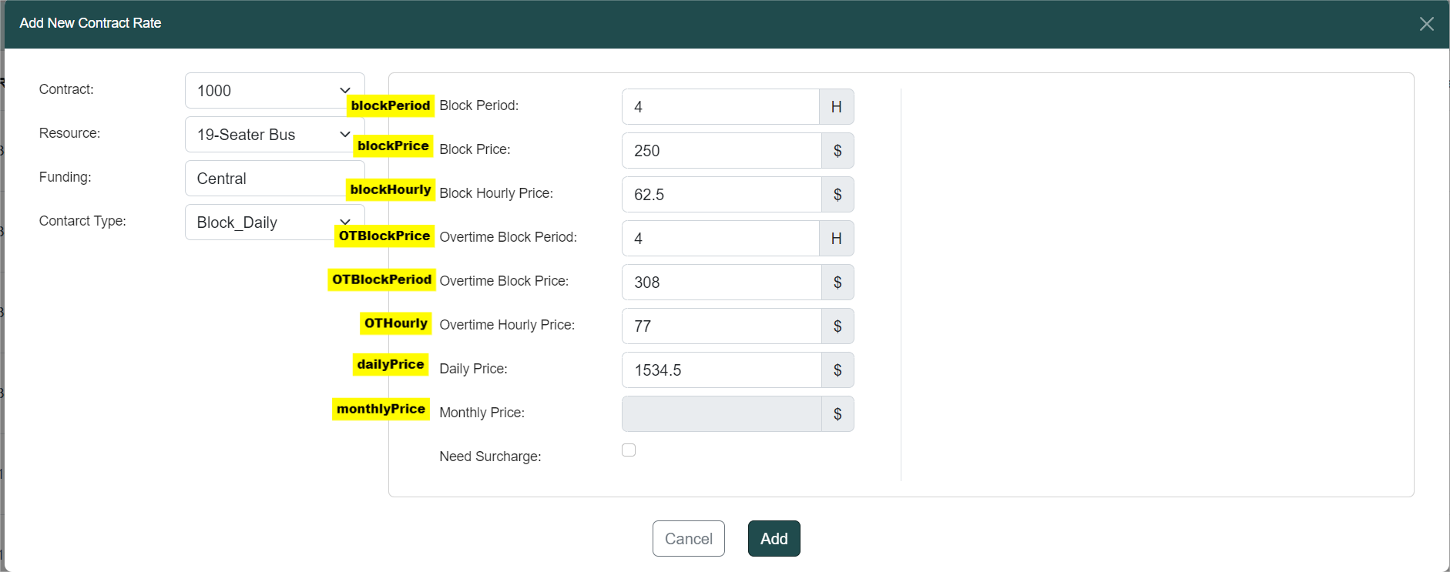

contract_rate

service_mode

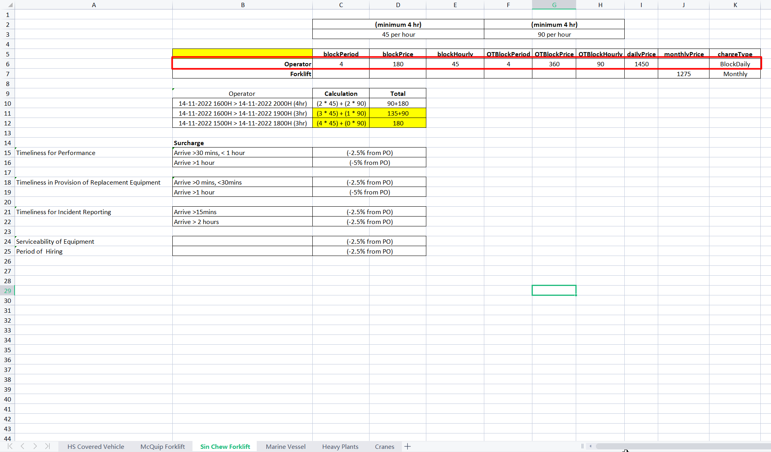
 | 0800 - 1800
 |  | Calculation | Total
 | 14-11-2022 0900H > 14-11-2022 2100H (12hr) | 250 + 62.5*5 + 308 | 870.5
 | 14-11-2022 0900H > 14-11-2022 2300H (14hr) | 250 + 62.5*5 + 77+308 | 947.5

Block_Daily(surcharge)
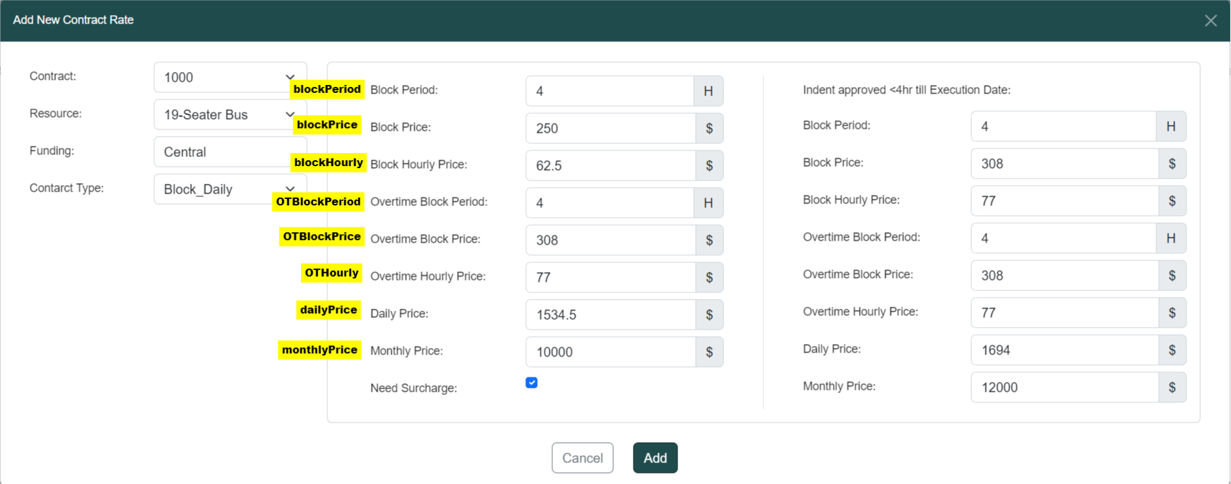

contract_rate

service_mode

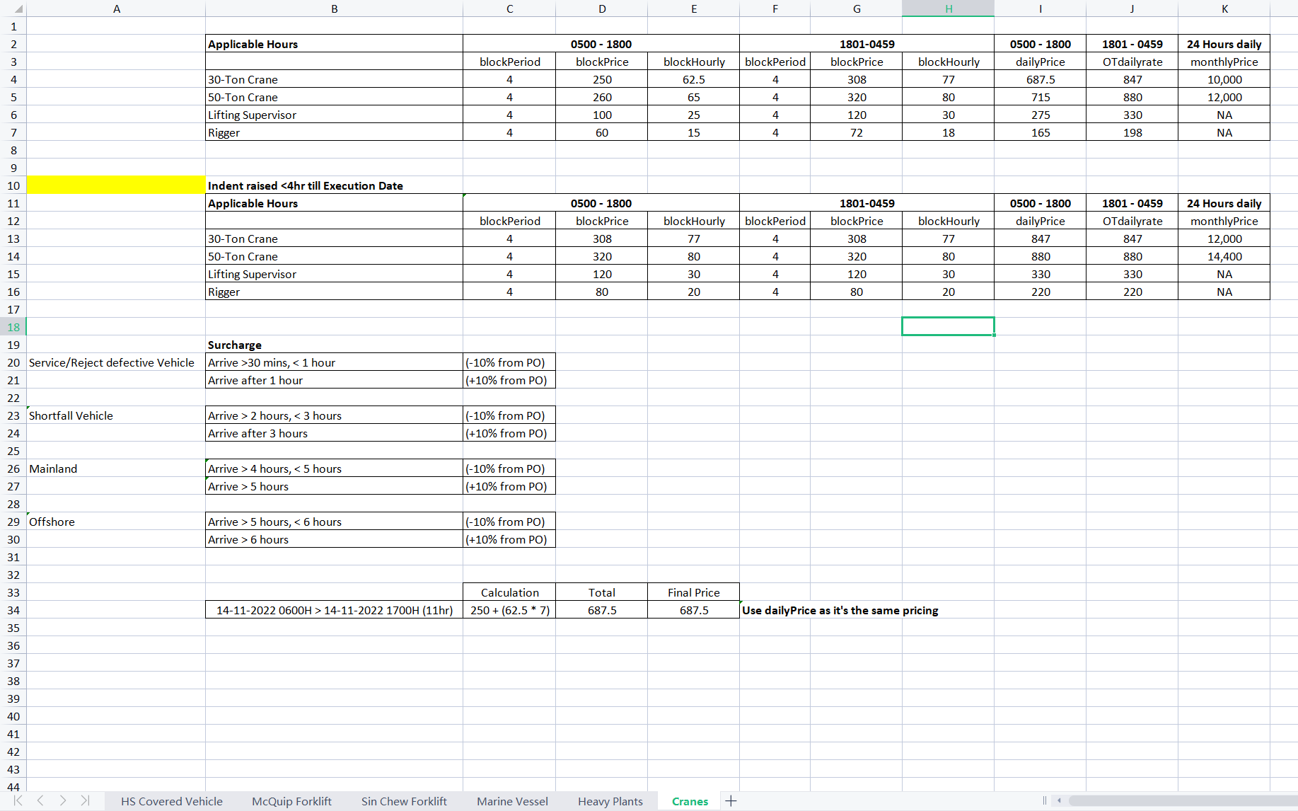
 |  | 0800 - 1800
 | ApproveTime |  | Calculation | Total
 | >=4hr | 14-11-2022 0900H > 14-11-2022 2100H (12hr) | 250 + 62.5*5 + 308 | 870.5
 | >=4hr | 14-11-2022 0900H > 14-11-2022 2300H (14hr) | 250 + 62.5*5 + 77+308 | 947.5

 | <4hr | 14-11-2022 0900H > 14-11-2022 2100H (12hr) | 308 + 77*5 + 308 | 1001
 | <4hr | 14-11-2022 0900H > 14-11-2022 2300H (14hr) | 308 + 77*5 + 77+308 | 1078

Monthly
contract_rate

service_mode

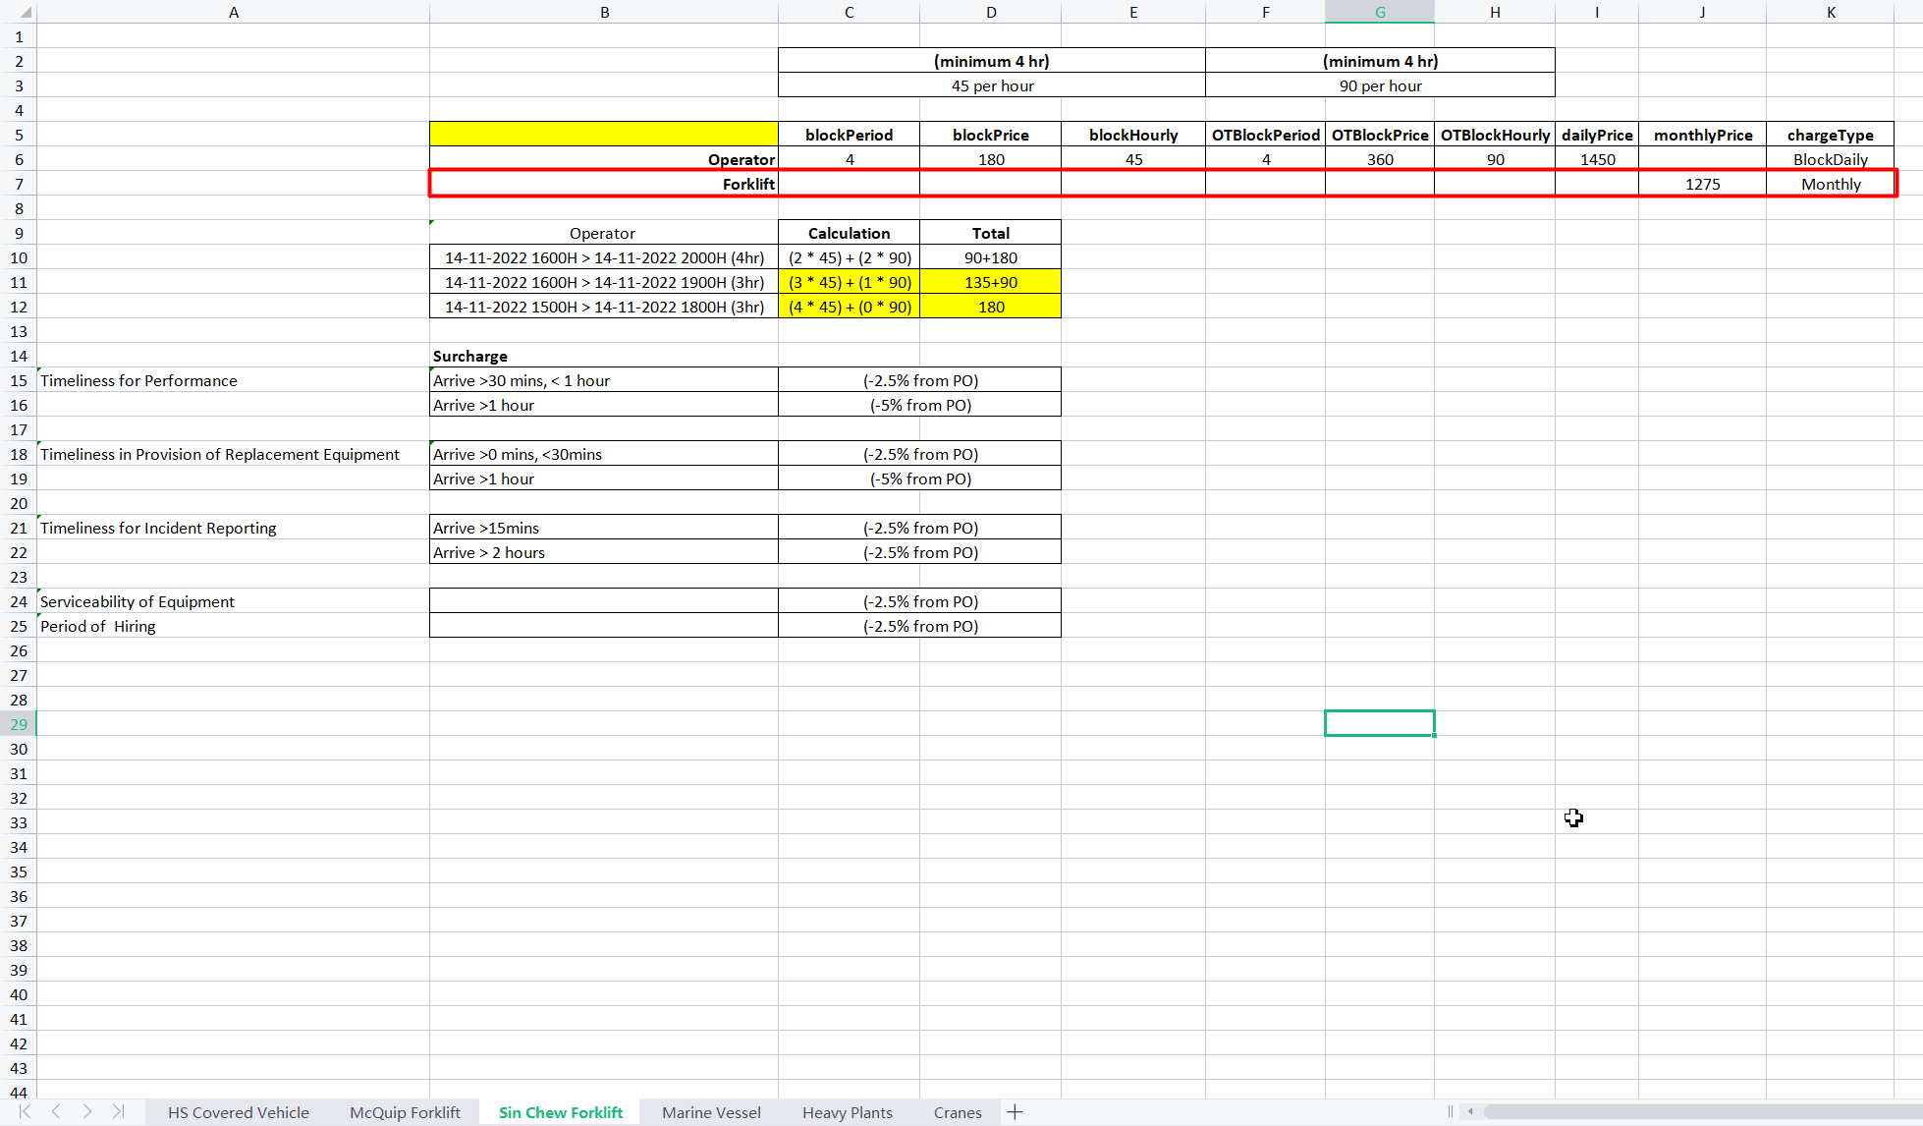
 |  | Calculation | Total
 | 01-11-2022 0900H > 08-11-2024 2100H | 40000*2 | 80000

Block_Mix
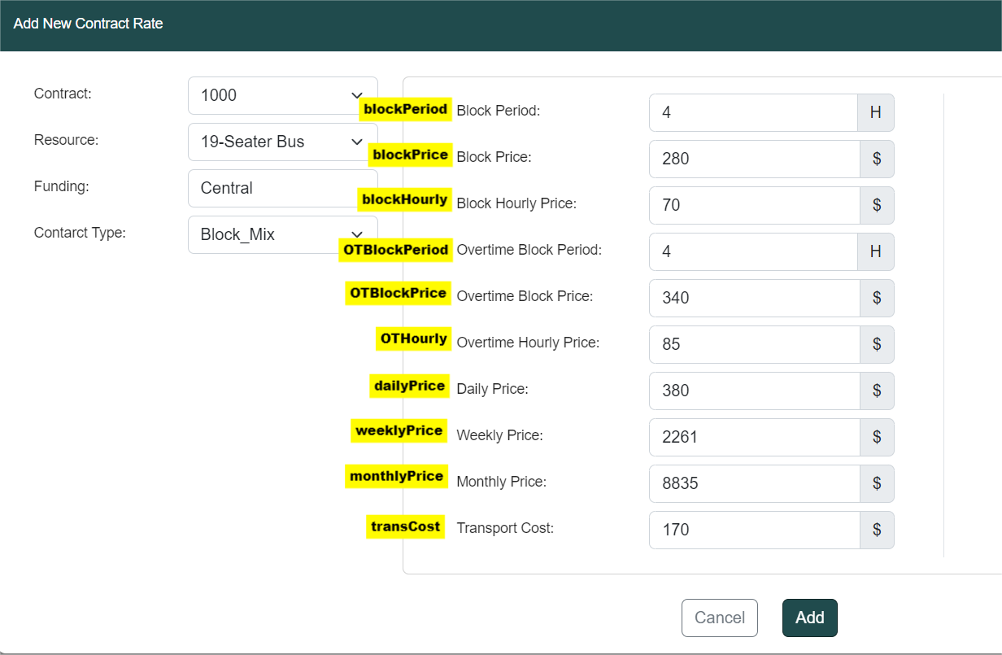

contract_rate

service_mode

 | 0800 - 1800
 |  | Calculation | Total
 | 01-10-2022 0900H > 18-11-2022 2100H | 8835 + 2261*2 + 380*4 + (280 + 70*5 + 340) | 15847
 |  | 8835 + 2261*2 + 380*5 | 15257 | Use dailyPrice because cheaper

